Sheet1
I'm considering columns with high-frequency values, like "product_or_service_code" where "R408" appears 19 times, as potentially useful for finding similar records.
"raw.award_type" with "BPA CALL"
"NAICS_code" with "541611.0" |  | Management Consulting Services
"raw.solicitation_procedures_code" has "MAFO"
"raw.commercial_item_acquisition_procedures" shows "COMMERCIAL PRODUCTS/SERVICES"
"product_or_service_code" with "R408" | Support- Professional: Program Management/Support
subcontracting_plan_code | Includes: Situations Where The Contractor Is Solely Responsible for Program Management As Well As
multi_year_contract | Situations Where The Contractor Provides Program Management Support to A Government Program
raw.recipient_name SOLUTIONS FOR THE WORKPLACE LLC | Manager

NAICS_code has 17 unique values, with "541611.0" (Administrative Management and General Management Consulting Services) appearing 37 times, which is about 64% of the rows, indicating a common business category.
award_type (from "raw.award_type") has 5 unique values, with "BPA CALL" appearing 33 times, suggesting a frequent contract type.

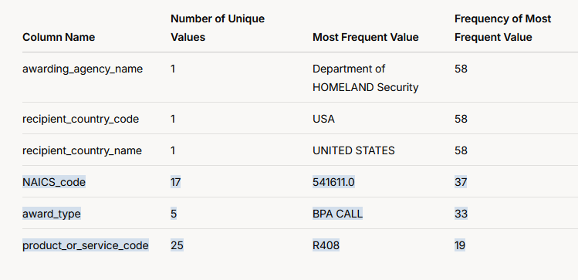
NAICS_code17541611.037award_type5BPA CALL33product_or_service_code25R40819

